Bug reports Header
ID | Project | Category | View status | Date Submitted | Last Update
1 | Manual software testing (checklist, bug report) | Homework 6
Reporter | Prokopenko Hennadii
Assigned to | Katasonov Kiril
Priority | Low | Severity | Trivial | Reproducibility
Status | Open | Resolution
Platform | Google Chrome | OS | Windows | OS Version | 10x64
Summary | 1 Map in ukrainian at click button "CONTACTS" after click button "EN"
Description | Map in ukrainian at click button "CONTACTS" after click button "EN"
Steps To Reproduce | 1. Open the site https://eng.weblove.me/
 | 2. Click button "EN"
 | 3. Click button "CONTACTS"

 | Expected result: Page "CONTACTS" loaded in english
 | Actual result: map in ukrainian
 | 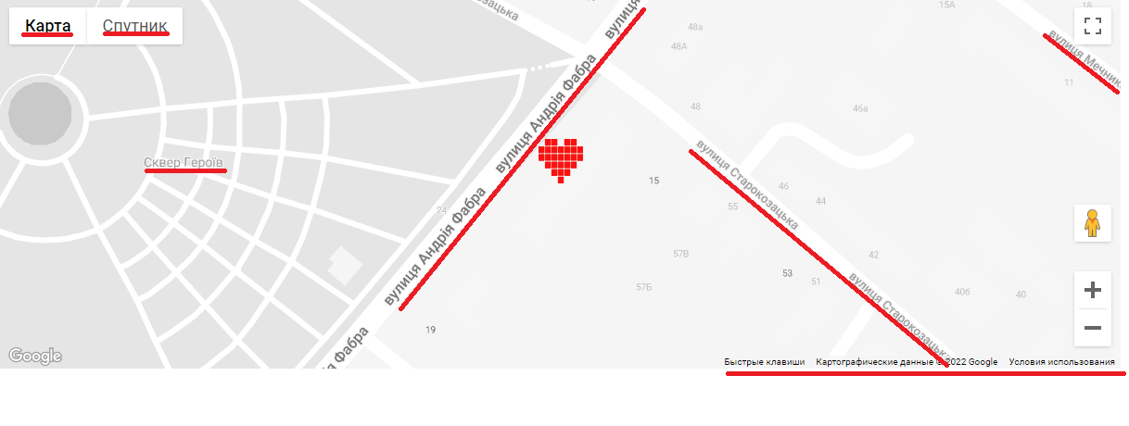
Aditional information

ID | Project | Category | View status | Date Submitted | Last Update
2 | Manual software testing (checklist, bug report) | Homework 6
Reporter | Prokopenko Hennadii
Assigned to | Katasonov Kiril
Priority | Medium | Severity | Trivial | Reproducibility
Status | Open | Resolution
Platform | Google Chrome | OS | Windows | OS Version | 10x64
Summary | 2 Not translated, text in ukrainian at click button "+380504811590" after click button "EN"
Description | Not translated, text in ukrainian at click button "+380504811590" after click button "EN"
Steps To Reproduce | 1. Open the site https://eng.weblove.me/
 | 2. Click button "EN"
 | 3. Click button "+380504811590"

 | Expected result: Pop-up window loaded in english
 | Actual result: Not translated, text in ukrainian
 | 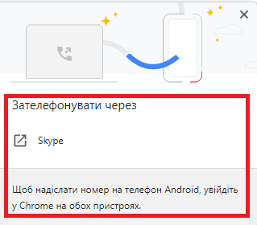
Aditional information

ID | Project | Category | View status | Date Submitted | Last Update
3 | Manual software testing (checklist, bug report) | Homework 6
Reporter | Prokopenko Hennadii
Assigned to | Katasonov Kiril
Priority | Medium | Severity | Minor | Reproducibility
Status | Open | Resolution
Platform | Google Chrome | OS | Windows | OS Version | 10x64
Summary | 3 No option to choose, if you want to call again. Previous search result is shown
Description | No option to choose, if you want to call again. Previous search result is shown
Steps To Reproduce | 1. Open the site https://eng.weblove.me/
 | 2. Click button "EN"
 | 3. Click button "+380504811590"
 | 4. Choose to call using Skype from the list
 | 5. Click button "+380504811590" again. There are no options for calling, only the previous option

 | Expected result: Choose another option to call from the list
 | Actual result: No option to choose, if you want to call again. Previous search result is shown (example Skype)
 | 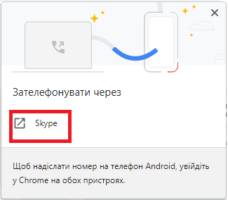
Aditional information

ID | Project | Category | View status | Date Submitted | Last Update
4 | Manual software testing (checklist, bug report) | Homework 6
Reporter | Prokopenko Hennadii
Assigned to | Katasonov Kiril
Priority | Low | Severity | Trivial | Reproducibility
Status | Open | Resolution
Platform | Google Chrome | OS | Windows | OS Version | 10x64
Summary | 4 Not translated "Landing page" at click button "ПОРТФОЛИО" after click button "RU"
Description | Not translated "Landing page" at click button "ПОРТФОЛИО" after click button "RU"
Steps To Reproduce | 1. Open the site https://eng.weblove.me/
 | 2. Click button "RU"
 | 3. Click button "ПОРТФОЛИО"

 | Expected result: Page "ПОРТФОЛИО" loaded in russian
 | Actual result: Not translated "Landing page" at click button "ПОРТФОЛИО"
 | 
Aditional information

ID | Project | Category | View status | Date Submitted | Last Update
5 | Manual software testing (checklist, bug report) | Homework 6
Reporter | Prokopenko Hennadii
Assigned to | Katasonov Kiril
Priority | Low | Severity | Trivial | Reproducibility
Status | Open | Resolution
Platform | Google Chrome | OS | Windows | OS Version | 10x64
Summary | 5 Map in ukrainian at click button "КОНТАКТЫ" after click button "RU"
Description | Map in ukrainian at click button "КОНТАКТЫ" after click button "RU"
Steps To Reproduce | 1. Open the site https://eng.weblove.me/
 | 2. Click button "RU"
 | 3. Click button "КОНТАКТЫ"

 | Expected result: Page "КОНТАКТЫ" loaded in russian
 | Actual result: map in ukrainian

Aditional information

ID | Project | Category | View status | Date Submitted | Last Update
6 | Manual software testing (checklist, bug report) | Homework 6
Reporter | Prokopenko Hennadii
Assigned to | Katasonov Kiril
Priority | Medium | Severity | Trivial | Reproducibility
Status | Open | Resolution
Platform | Google Chrome | OS | Windows | OS Version | 10x64
Summary | 6 Not translated, text in ukrainian at click button "+380504811590" after click button "RU"
Description | Not translated, text in ukrainian at click button "+380504811590" after click button "RU"
Steps To Reproduce | 1. Open the site https://eng.weblove.me/
 | 2. Click button "RU"
 | 3. Click button "+380504811590"

 | Expected result: Pop-up window loaded in russian
 | Actual result: Not translated, text in ukrainian

Aditional information

ID | Project | Category | View status | Date Submitted | Last Update
7 | Manual software testing (checklist, bug report) | Homework 6
Reporter | Prokopenko Hennadii
Assigned to | Katasonov Kiril
Priority | Medium | Severity | Minor | Reproducibility
Status | Open | Resolution
Platform | Google Chrome | OS | Windows | OS Version | 10x64
Summary | 7 No option to choose, if you want to call again. Previous search result is shown
Description | No option to choose, if you want to call again. Previous search result is shown
Steps To Reproduce | 1. Open the site https://eng.weblove.me/
 | 2. Click button "RU"
 | 3. Click button "+380504811590"
 | 4. Choose to call using Skype from the list
 | 5. Click button "+380504811590" again. There are no options for calling, only the previous option

 | Expected result: Choose another option to call from the list
 | Actual result: No option to choose, if you want to call again. Previous search result is shown (example Skype)

Aditional information

ID | Project | Category | View status | Date Submitted | Last Update
8 | Manual software testing (checklist, bug report) | Homework 6
Reporter | Prokopenko Hennadii
Assigned to | Katasonov Kiril
Priority | Low | Severity | Trivial | Reproducibility
Status | Open | Resolution
Platform | Google Chrome | OS | Windows | OS Version | 10x64
Summary | 8 Not translated "Landing page" at click button "ПОРТФОЛІО" after click button "UA"
Description | Not translated "Landing page" at click button "ПОРТФОЛІО" after click button "UA"
Steps To Reproduce | 1. Open the site https://eng.weblove.me/
 | 2. Click button "UA"
 | 3. Click button "ПОРТФОЛІО"

 | Expected result: Page "ПОРТФОЛІО" loaded in ukrainian
 | Actual result: Not translated "Landing page" at click button "ПОРТФОЛІО"
 | 
Aditional information

ID | Project | Category | View status | Date Submitted | Last Update
9 | Manual software testing (checklist, bug report) | Homework 6
Reporter | Prokopenko Hennadii
Assigned to | Katasonov Kiril
Priority | Medium | Severity | Minor | Reproducibility
Status | Open | Resolution
Platform | Google Chrome | OS | Windows | OS Version | 10x64
Summary | 9 No option to choose, if you want to call again. Previous search result is shown
Description | No option to choose, if you want to call again. Previous search result is shown
Steps To Reproduce | 1. Open the site https://eng.weblove.me/
 | 2. Click button "UA"
 | 3. Click button "+380504811590"
 | 4. Choose to call using Skype from the list
 | 5. Click button "+380504811590" again. There are no options for calling, only the previous option

 | Expected result: Choose another option to call from the list
 | Actual result: No option to choose, if you want to call again. Previous search result is shown (example Skype)

Aditional information

